intro
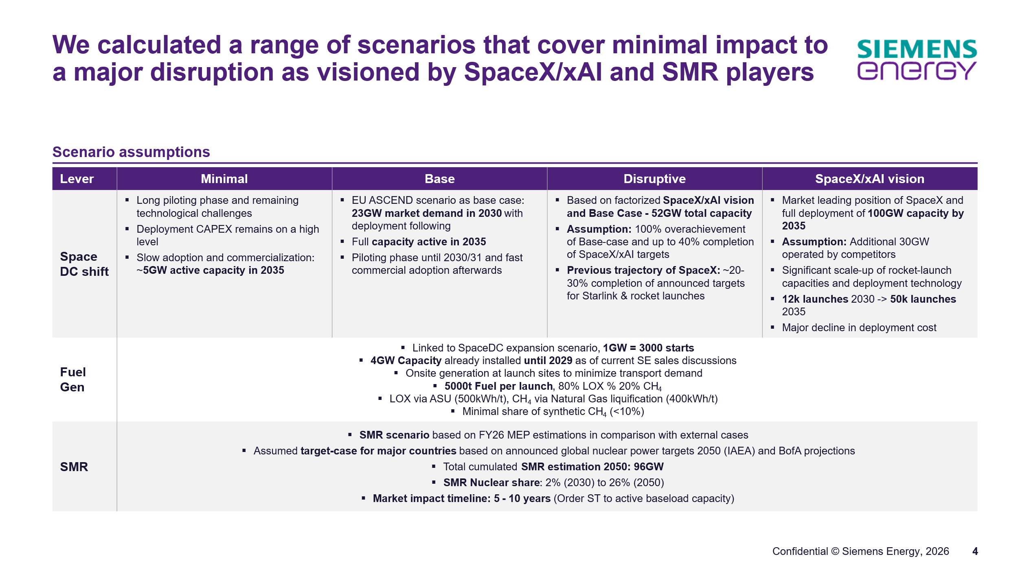
EBSO follow up - data center in space

 | Sheet | Content
 | Data | Quantitative scenario definitions - GW moved from earth to space

 | Share of DC in US | 65% | Nvidia assumption

